INPUT
B2S

XL DATA

Site ID | : | JAW-JK-CKG-0756
Site Name | : | PONDOK KOPI II
Candidat | : | 1
Project Deff | :
Project Type | :
RBS Antenna Height | :
RBS Antenna Direction | :
Date | : | 2022-12-11
COORDINAT NOM |  |  |  | Lat | : | -6.21905
 |  |  |  | Long | : | 106.940765
TBG.SYS DATA

Site Address | : | 1A, RT.13/RW.4, Pd. Kopi, Kec. Duren Sawit, Kota Jakarta Timur, Daerah Khusus Ibukota Jakarta 13940

Area | :
Company | :
ESR DATA

Contact Person/ Lanlord | :
Phone Landlord | :
Contact Person Address Lanlord | :
 | :
 | :
COORDINAT ESR |  |  |  | Lat | : | -6.21798
 |  |  |  | Long | : | 106.94055
Distance NOM to Candidate | : | 119 | M
Bearing NOM to Canditate | : |  | O
Map Datum : | :
Distance from public road | : | Length : |  | Width :
Length of private access | : | Length : |  | Width :
Height Structure Type (Roof Top) |  |  | Stories |  | : | …………………
 |  |  | Roof Top |  | : | …………………
 |  |  | Penthose |  | : | …………………
 |  |  | Other |  | : | …………………
Old of Building | : |  | Years
Tower Placement | : | GF
Tower Type | : | POLE
Tower Height | : | 20 | M
Building Hight | : |  | M
Site space / Land size (LxW) | : |  |  | 0 | M2
Date ESR | : | 2022-10-10
Surveyor | :
Document Prepare | : | Reboin Sianturi
Phone | : | +6281290330911
Email | :
M.a.g.l | : | 3 M.a.g.l (meter above ground level)
M.a.s.l | : | M.a.s.l (meter above sea level)

App Sheet


 |  |  | APPROVAL SHEET
 |  |  | ENGINEERING SURVEY REPORT

 | SITE ID |  |  | JAW-KYB-0309
 | SITE NAME |  |  | PONDOK KOPI II
 | CANDIDATE |  |  | 1
 | SITE ADDRESS |  |  | 1A, RT.13/RW.4, Pd. Kopi, Kec. Duren Sawit, Kota Jakarta Timur, Daerah Khusus Ibukota Jakarta 13940, ,
 | PROJECT TYPE |  |  | 0
 | PROPOSE BY |  |  | 0

Note:
SLA Routing Approval per Department is 1 (one) working day

Routing Approval:

Approval |  | Doc ESR In |  | Doc ESR Out |  | Remark | Sign | PIC Name
 |  | Date | Time | Date | Time
Sitac

BSS RND

TRM

Civil Eng

Power Eng

Approval 006
Doc ESR Received by Admin NDC
Doc Copy ESR Received by Vendor

RFA
REQUEST FOR APPROVAL
(Tower Rental Project)

 |  | Date : December, 11 2022
Site ID | Site Info | Provider Remark
SITE ID : JAW-JK-CKG-0756
Site Name : PONDOK KOPI II

Tower Height : 20 M | Location Photograph
Tower Type : GF-POLE-20 M
Pedestal 1m + MP32m + Mounting 1,5m
As Antenna : 33m
Project Deff :
 | Site Search Report

Site Address :
1A, RT.13/RW.4, Pd. Kopi, Kec. Duren Sawit, Kota Jakarta Timur, Daerah Khusus Ibukota Jakarta 13940, ,

Candidate Proposed Coordinate
Kandidat B | LOI
LATITUDE : -6.21798

LONGITUDE : 106.94055 | Property Document
(harus sama dgn info koordinat di halaman 1)

NOM Coordinate
LATITUDE : -6.21905

LONGITUDE : 106.940765

Distance NOM to Candidate : 119 mtr
Bearing NOM to Canditate : degree

Prepared By : | Review By : | Approved by XL:

0
PIC : Reboin Sianturi () Phone : +6281290330911 | Name : | Name :
Date : December, 11 2022 | Date : | Date :

Approved by : XL
Name :
Date
Released to vendor by :
Name :
Date :
Prepared by :
PT. Inti Samudra Prakarsa
PIC: Herman Effendi
Reviewed by :
Name :
Date :

Photo GPS
 |  |  | PHOTOGRAPH DOCUMENTARY
Site No. | : | JAW-JK-CKG-0756 | Project | : | B2S NEWSITE PROJECT
Site Name | : | PONDOK KOPI II | Location | : | 0
Visit Date | : | 10-Oct-22 | Prepared by | : | 0
Surveyor | : | 0

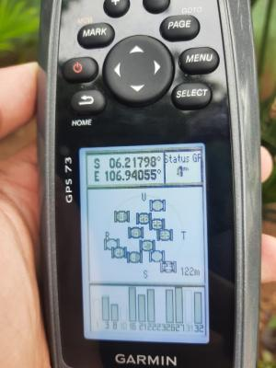

GPS Decimal

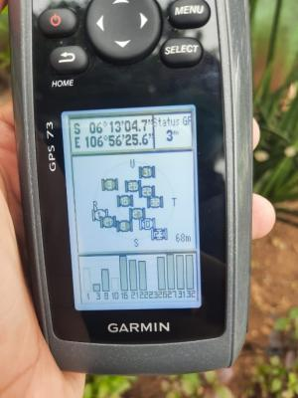

GPS DMS

Suroundings
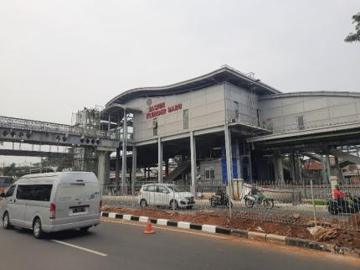
 |  |  | PHOTOGRAPH DOCUMENTARY
Site No. | : | JAW-JK-CKG-0756 | Project | : | B2S NEWSITE PROJECT
Site Name | : | PONDOK KOPI II | Location | : | 0
Visit Date | : | 10-Oct-22 | Prepared by | : | 0
Surveyor | : | 0

0,30
 |  |  | PHOTOGRAPH DOCUMENTARY
Site No. | : | JAW-JK-CKG-0756 | Project | : | B2S NEWSITE PROJECT
Site Name | : | PONDOK KOPI II | Location | : | 0
Visit Date | : | 10-Oct-22 | Prepared by | : | 0
Surveyor | : | 0

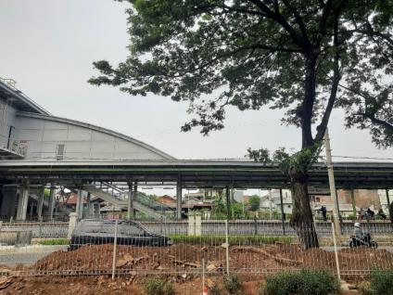

Panoramic 0º

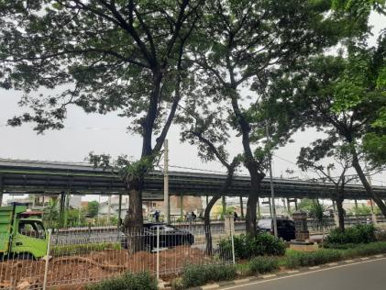

Panoramic 30º

60,90
 |  |  | PHOTOGRAPH DOCUMENTARY
Site No. | : | JAW-JK-CKG-0756 | Project | : | B2S NEWSITE PROJECT
Site Name | : | PONDOK KOPI II | Location | : | 0
Visit Date | : | 10-Oct-22 | Prepared by | : | 0
Surveyor | : | 0

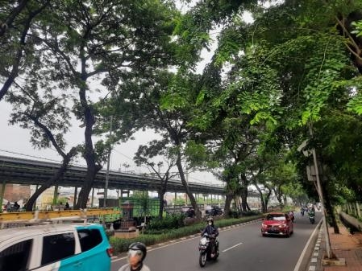

Panoramic 60º

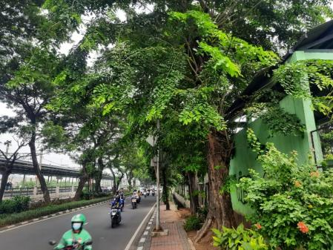

Panoramic 90º

120,150
 |  |  | PHOTOGRAPH DOCUMENTARY
Site No. | : | JAW-JK-CKG-0756 | Project | : | B2S NEWSITE PROJECT
Site Name | : | PONDOK KOPI II | Location | : | 0
Visit Date | : | 10-Oct-22 | Prepared by | : | 0
Surveyor | : | 0

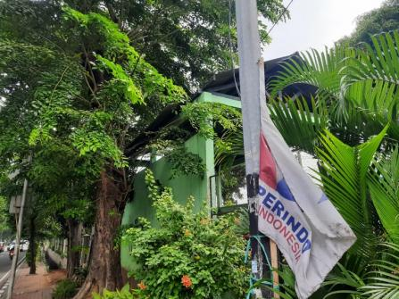

Panoramic 120º

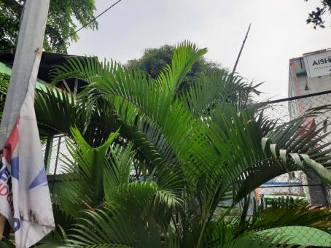

Panoramic 150º

180,210
 |  |  | PHOTOGRAPH DOCUMENTARY
Site No. | : | JAW-JK-CKG-0756 | Project | : | B2S NEWSITE PROJECT
Site Name | : | PONDOK KOPI II | Location | : | 0
Visit Date | : | 10-Oct-22 | Prepared by | : | 0
Surveyor | : | 0

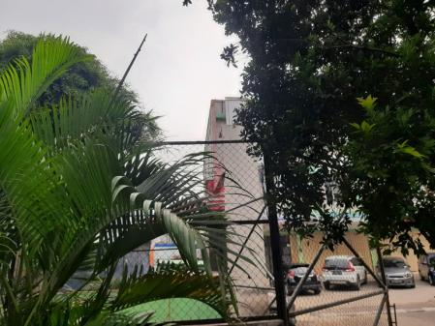

Panoramic 180º

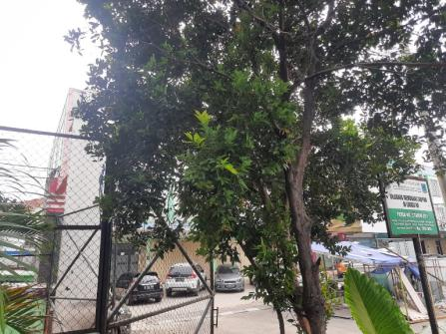

Panoramic 210º

240, 270
 |  |  | PHOTOGRAPH DOCUMENTARY
Site No. | : | JAW-JK-CKG-0756 | Project | : | B2S NEWSITE PROJECT
Site Name | : | PONDOK KOPI II | Location | : | 0
Visit Date | : | 10-Oct-22 | Prepared by | : | 0
Surveyor | : | 0

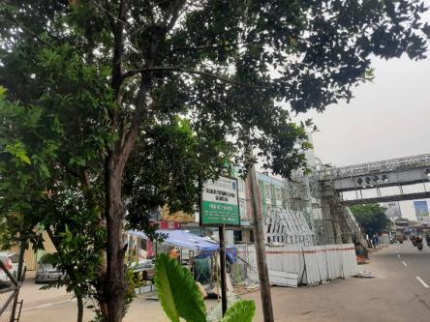

Panoramic 240º

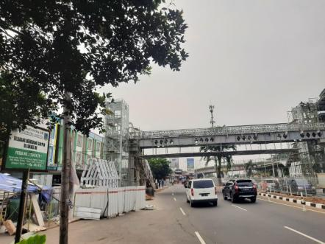

Panoramic 270º

300, 330
 |  |  | PHOTOGRAPH DOCUMENTARY
Site No. | : | JAW-JK-CKG-0756 | Project | : | B2S NEWSITE PROJECT
Site Name | : | PONDOK KOPI II | Location | : | 0
Visit Date | : | 10-Oct-22 | Prepared by | : | 0
Surveyor | : | 0

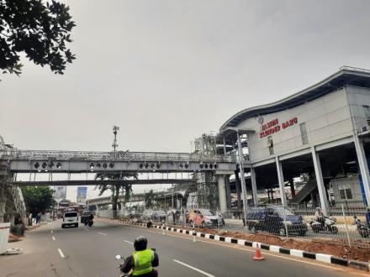

Panoramic 300º

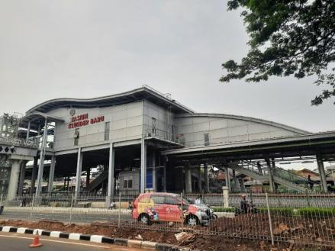

Panoramic 330º

depan,belakang
 |  |  | PHOTOGRAPH DOCUMENTARY
Site No. | : | JAW-JK-CKG-0756 | Project | : | B2S NEWSITE PROJECT
Site Name | : | PONDOK KOPI II | Location | : | 0
Visit Date | : | 10-Oct-22 | Prepared by | : | 0
Surveyor | : | 0

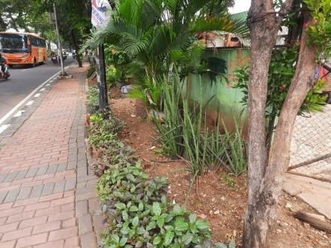

TAMPAK BAGIAN DEPAN SITE

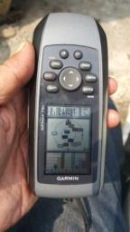

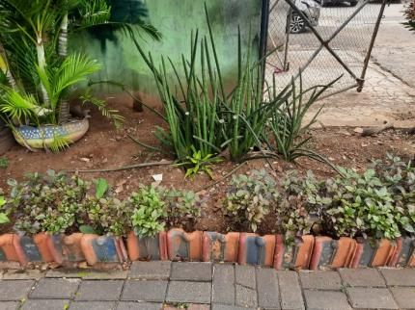

TAMPAK bAGIAN BELAKANG SITE

kiri,kanan
 |  |  | PHOTOGRAPH DOCUMENTARY
Site No. | : | JAW-JK-CKG-0756 | Project | : | B2S NEWSITE PROJECT
Site Name | : | PONDOK KOPI II | Location | : | 0
Visit Date | : | 10-Oct-22 | Prepared by | : | 0
Surveyor | : | 0

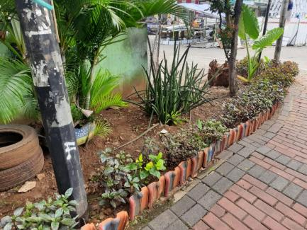

TAMPAK BAGIAN KANAN SITE



TAMPAK BAGIAN KIRI SITE

PANORAMA 0O
PANORAMA 30O
PANORAMA 60O
PANORAMA 90O
PANORAMA 120O
PANORAMA 150O
PANORAMA 180O
PANORAMA 210O
PANORAMA 240O
PANORAMA 270O
PANORAMA 300O
PANORAMA 330O

RBB ANTENNA SECTOR
PANORAMA 0O
PANORAMA 0O
PANORAMA 0O
PANORAMA 0O

SITE LOCATION
TAMPAK DEPAN
TAMPAK BELAKANG
TAMPAK KIRI
TAMPAK KANAN

PLN/POWER POLE,TRAFO

SITE ACCESS TO SITE

site access
 |  |  | PHOTOGRAPH DOCUMENTARY
Site No. | : | JAW-JK-CKG-0756 | Project | : | B2S NEWSITE PROJECT
Site Name | : | PONDOK KOPI II | Location | : | 0
Visit Date | : | 10-Oct-22 | Prepared by | : | 0
Surveyor | : | 0

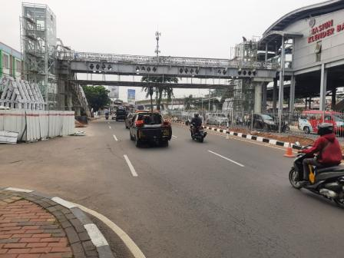

SITE ACCESS TO SITE

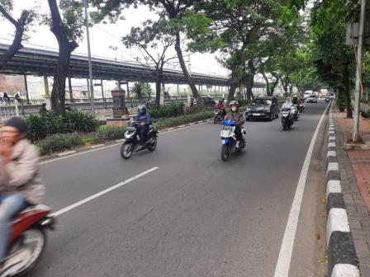

SITE ACCESS TO SITE

 |  |  | PHOTOGRAPH DOCUMENTARY
Site No. | : | JAW-JK-CKG-0756 | Project | : | B2S NEWSITE PROJECT
Site Name | : | PONDOK KOPI II | Location | : | 0
Visit Date | : | 10-Oct-22 | Prepared by | : | 0
Surveyor | : | 0

SITE ACCESS TO SITE

SITE ACCESS TO SITE (site location)

Site No. | : | JAW-JK-CKG-0756 | Project | : | B2S NEWSITE PROJECT
Site Name | : | PONDOK KOPI II | Location | : | 0
Visit Date | : | 10-Oct-22 | Prepared by | : | 0
Surveyor | : | 0

SITE ACCESS TO SITE (site location)

SITE ACCESS TO SITE (site location)

 |  |  | PHOTOGRAPH DOCUMENTARY
Site No. | : | JAW-JK-CKG-0756 | Project | : | B2S NEWSITE PROJECT
Site Name | : | PONDOK KOPI II | Location | : | 0
Visit Date | : | 10-Oct-22 | Prepared by | : | 0
Surveyor | : | 0

SITE ACCESS TO SITE (site location)

SITE ACCESS TO SITE (site location)

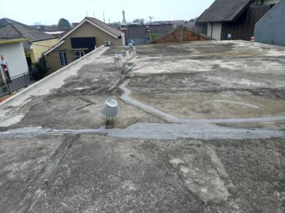

SITE ACCESS TO SITE (site location)

PLN
 |  |  | PHOTOGRAPH DOCUMENTARY
Site No. | : | JAW-JK-CKG-0756 | Project | : | B2S
Site Name | : | PONDOK KOPI II | Location | : | 0
Visit Date | : | 10-Oct-22 | Prepared by | : | 0
Surveyor | : | 0

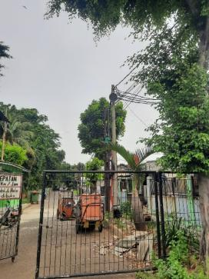

POLE PLN

PLN

Site Situasi
 |  |  | PHOTOGRAPH DOCUMENTARY
Site No. | : | JAW-JK-CKG-0756 | Project | : | B2S
Site Name | : | PONDOK KOPI II | Location | : | 0
Visit Date | : | 10-Oct-22 | Prepared by | : | 0
Surveyor | : | 0

SITE SITUATION 1

SITE SITUATION 2

Peta dan Layout
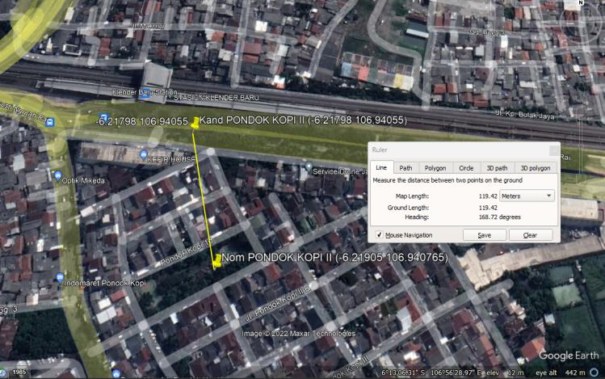
 |  |  | PHOTOGRAPH DOCUMENTARY
Site No. | : | JAW-JK-CKG-0756 | Project | : | B2S
Site Name | : | PONDOK KOPI II | Location | : | 0
Visit Date | : | 10-Oct-22 | Prepared by | : | 0
Surveyor | : | 0

PETA LOKASI

Grounding system
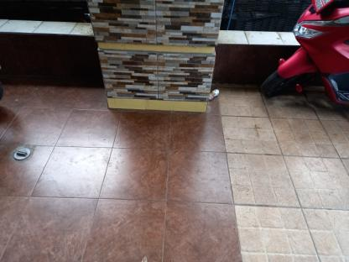
 |  |  | PHOTOGRAPH DOCUMENTARY
Site No. | : | JAW-JK-CKG-0756 | Project | : | B2S
Site Name | : | PONDOK KOPI II | Location | : | 0
Visit Date | : | 10-Oct-22 | Prepared by | : | 0
Surveyor | : | 0

